Y! Licensed, Hub, and YouTube
OneFootball
Contract # | 2-0000274176

Yahoo Licensed Content on Yahoo Sports
200015697

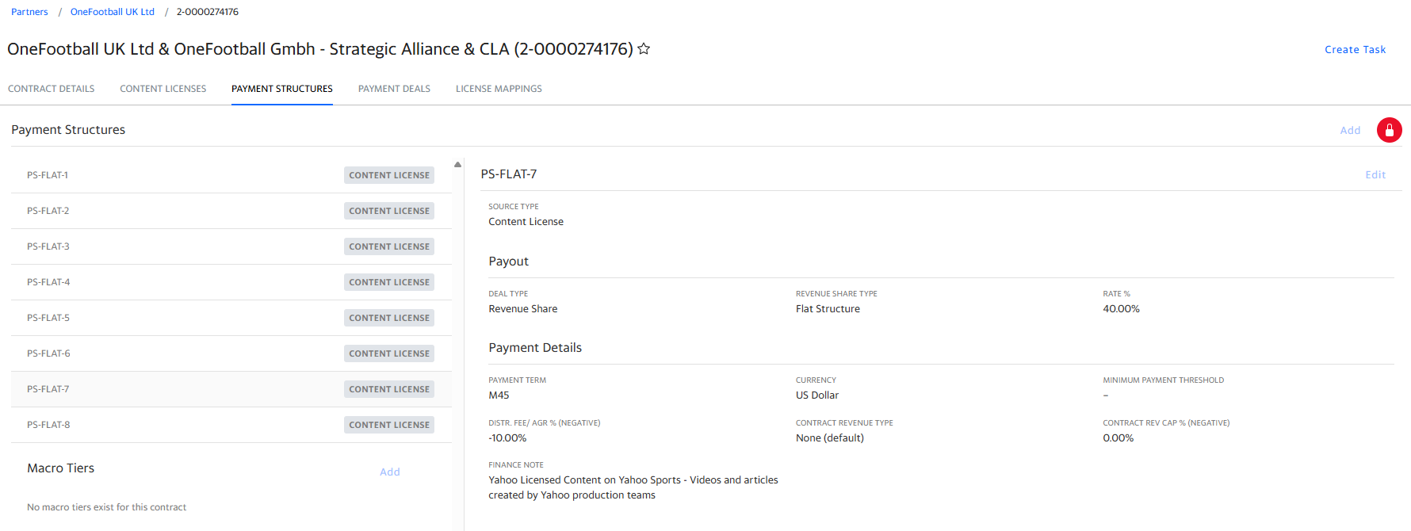


Time Month | Revenue | COS | 10%
2025-07-01 |  | Revshare | 40%

Revenue Share | -

Soccer Hub on Yahoo Sports
200015698

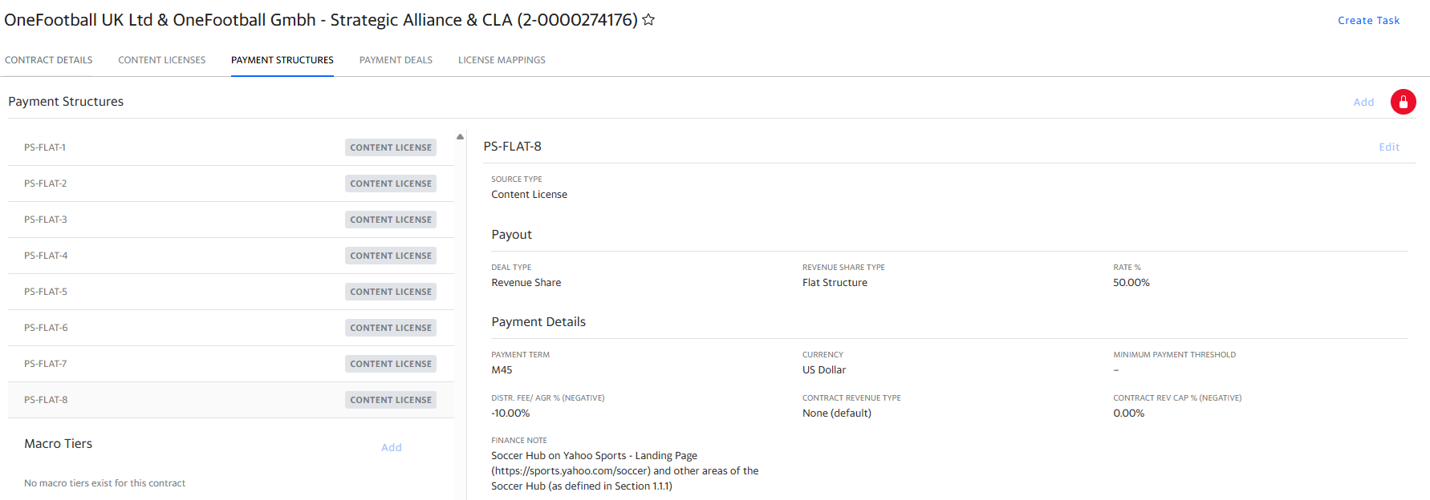

Time Month | Revenue | COS | 10%
2025-07-01 |  | Revshare | 50%

Revenue Share | -

OneFootball - YouTube
80449706

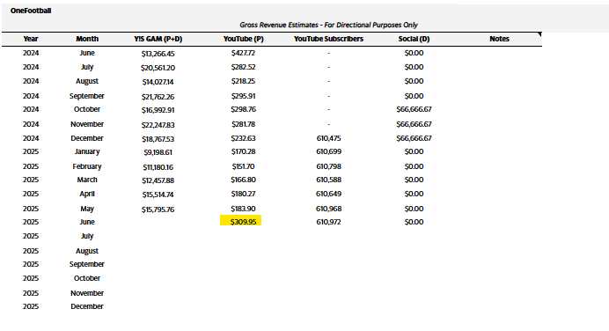

Time Month | Revenue | COS | 10%
2025-07-01 |  | Revshare | 50%

Revenue Share | -

OneFootball Minimum Guarantee
200015921
 |  |  |  |  |  | Revenue generated against MLS on Yahoo |  |  |  | Revenue generated against MLS on OneFootball
 |  |  |  | Period | MG Amount | Year 2024
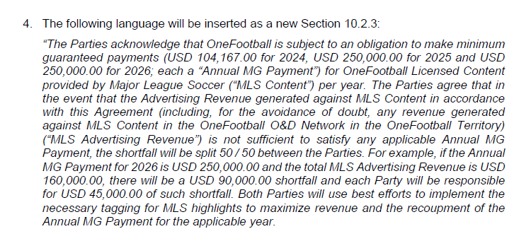
 |  |  |  | 2024 | 104,167.00 | Period | Gross Revenue | Net Advertising Revenue | Balance left to meet MG
 |  |  |  | 2025 | 250,000.00 | MAR-24 | - | - | 104,167.00
 |  |  |  | 2026 | 250,000.00 | APR-24 | - | - | 104,167.00
 |  |  |  |  |  | MAY-24 | - | - | 104,167.00
 |  |  |  |  |  | JUN-24 | - | - | 104,167.00
 |  |  |  |  |  | JUL-24 | - | - | 104,167.00
 |  |  |  |  |  | AUG-24 | - | - | 104,167.00
 |  |  |  |  |  | SEP-24 | 58.11 | 46.48 | 104,120.52
 |  |  |  |  |  | OCT-24 | 297.28 | 237.82 | 103,882.69
 |  |  |  |  |  | NOV-24 | 355.54 | 284.44 | 103,598.26
 |  |  |  |  |  | DEC-24 | 94.59 | 75.67 | 103,522.59
 |  |  |  |  |  | JAN-25 | 36.12 | 28.90 | 103,493.69
 |  |  |  |  |  | FEB-25 | 79.12 | 63.30 | 103,430.39
 |  |  |  |  |  | Totals | 920.76 | 736.61

 |  |  |  |  |  | Total revenue generated against MLS |  |  | 32,739.59

 |  |  |  |  |  | MG shortage |  |  | 71,427.41

 |  |  |  |  |  | Yahoo 50% |  |  | 35,713.71

